Site Plan
 |  |  |  | Traffic Surveys
 |  |  |  | Phoenix House
 |  |  |  | 3 Goddard Road
 |  |  |  | Ipswich
 |  |  |  | Suffolk , IP1 5NP

Type of Survey | Speed and Volume Survey

Project Reference | A4223 | Easting Northing | 569574 264916

Client | Moulton Parish Council Local Highways Budget Team | Start Date of Survey Period | 7th March 2022

Site location | Kennet Road Moulton | End Date of Survey Period | 13th March 2022

Comments | Survey placed on 20's plenty sign

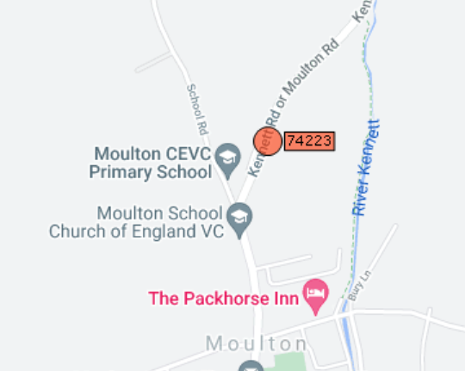
Speed Limit | 20/30mph

Road Number | B1085

